1. Title Page
Instacart Basket Analysis

Project Name: Instacart Basket Analysis
Date: 05.02.2024
Analyst Name: Phongsathorn Röser

Contents:
Population Flow
Consistency checks
Wrangling steps
Column derivations
Visualizations
Recommendations

 | Citation:
 | 1. “The Instacart Online Grocery Shopping Dataset 2017”, Accessed from www.instacart.com/datasets/grocery-shopping-2017 via Kaggle on 18-02-2024.
 | 2. Data on customers and the "prices" column in the 'products' dataset were fabricated for the purpose of this analysis.

2. Population Flow
 |  |  |  | Title page

Population flow

 |  | Original Data

 |  |  | Data After Consistency Checks

Orders_products_combined
Orders_products_merged
Orders_products_all

Total: 32404859
Total:32434489
Total: 32404859

Combinated datasets | Final Dataset

1.) The grey boxes in the first row of the population flow represent the original data sets as they were when you downloaded them. In the Total fields you need to add the count of the rows when you imported the data set into Jupyter.
2.) The second row of boxes (coloured) represents the data sets after you manipulated them, e.g., removed missing values and duplicates. In the Total fields you need to add the count of the rows after conducting these operations. This offers a visual oveview of how the data flows throughout the data consistency checks.
3.) The third row, where also the arrows are coloured, represents the merges you performed between the datasets. In the Total fields you need to add the count of the rows in the merged datasets, so that you end up with the final dataset (in the red box). Keep in mind the final dataset should be without exclusions (based on the exclusion flag).

Exclusion flag
Condition: max_order < 5
Obervations to be removed: 1440295
Final total count of order_products_all: 30964564

3. Consistency checks
 |  |  |  | Title page
Consistency checks

Dataset | Missing values | Missing values treatment | Duplicates
orders | 206209 missing values in 'day_since_prior_order | Left blank because there is a relationship with the order_number =1, which implies that this is a first order for any user and that there can not be any orders before the first order. | No duplicates
products | No missing values | No missing values | 16, deleted from the dataset
orders_products_prior | No missing values | No missing values | No duplicates
customers | 11259 missing values in 'First_name' | No treatment needed. Column will be deleted, since it is a PII that is protected and should not be in the dataset | No duplicates

4. Wrangling steps
 |  |  |  |  | Title page
Wrangling steps

Data set | Columns dropped | Columns renamed | Columns' type changed | Comment/Reason
orders | eval_set |  |  | no need fot this variable
orders |  |  | order_id | integer to string
orders |  |  | user_id | integer to string
orders |  | order_dow |  | to order_day_of_week
customers | First_name
customers | Last_name
customers | First_name
customers | Surman
customers |  | STATE > address
customers |  | n_dependants > relatives
customers |  |  | user_id' | int64 > str
customers | fam_status |  |  | repalce with new derived variable of 'Fam_status'
ords_prods_aggre_derive |  |  | frequency_flag | mix-type > str
custom_ords_prods_merge_clean | aisle_id |  |  | not needed for analysis
custom_ords_prods_merge_clean | busiest_day |  |  | is replaced with 'Busiest Days'
custom_ords_prods_merge_clean |  | orders_day_of_week, > 'weekday_of_order
custom_ords_prods_merge_clean | _merged
custom_ords_prods_merge_clean |  |  |  | replace all values > 100 from 'prices' with nan
orders_products_merged_derived |  |  | order_id | int64 >str
orders_products_merged_derived |  |  | user_id | int64 >str
orders_products_merged_derived |  |  | product_id | int64 >str
orders_products_merged_derived |  |  | aisle_id | int64 >str
orders_products_merged_derived |  |  | department_id | int64 >str
custom_ords_prods_merge_clean_2 |  | frequency_flag > frequency
custom_ords_prods_merge_clean_2 |  | spending_flag > customer_type
custom_ords_prods_merge_clean_2 | _merged

5. Column derivations
 |  |  |  | Title page

Column derivations and aggregations

In this tab you should add tables below that the frequences of flags/label variables that you produced after deriving them. NB: don't do this for continuous variables, only for flags.
Dataset | New column | Column/s it was derived from | Conditions
ords_prods_merge | price_range | price | df.loc[df['prices'] > 15, 'price_range_loc'] = 'High-range product' df.loc[(df['prices'] <= 15) & (df['prices'] > 5), 'price_range_loc'] = 'Mid-range product' df.loc[df['prices'] <= 5, 'price_range_loc'] = 'Low-range product'
ords_prods_merge | Busiest Days | orders_day_of_week | for value in ords_prods_merge["orders_day_of_week"]: if value in (0, 1): result.append("Busiest days") elif value in (3, 4): result.append("Slowest days") else: result.append("Regularly day")
ords_prods_merge | busiest day | orders_day_of_week | # Creating the code for for-loop result = [] for value in ords_prods_merge["orders_day_of_week"]: if value == 0: result.append("Busiest day") elif value == 4: result.append("Least busy") else: result.append("Regularly busy")
orders_products_merged_derived | max_order | order_number | df['max_order'] = df.groupby(['user_id'])['order_number'].transform(np.max)
orders_products_merged_derived | loyalty_flag | order_number, max_order | ords_prods_merge.loc[ords_prods_merge['max_order'] > 40, 'loyalty_flag'] = 'Loyal customer' ords_prods_merge.loc[(ords_prods_merge['max_order'] <= 40) & (ords_prods_merge['max_order'] > 10), 'loyalty_flag'] = 'Regular customer' ords_prods_merge.loc[ords_prods_merge['max_order'] <= 10, 'loyalty_flag'] = 'New customer'
orders_products_merged_derived | mean_product_price | price | df['mean_product_price'] = df.groupby(['user_id'])['prices'].transform(np.mean)
orders_products_merged_derived | customer_typ | mean_product_price | df.loc[df['mean_product_price']<10, 'customer_typ']='Low spender' df.loc[df['mean_product_price']>=10, 'customer_typ']='High spender'
orders_products_merged_derived | median_days_between_orders | days_since_previous_order | df['median_days_between_orders'] = df.groupby(['user_id'])['days_since_previous_order'].transform(np.median)
customer | Fam_status | fam_status
customer | year_joined | date_joined
ords_prods_merge | busiest_period_of_day | time_of_day | for value in ords_prods_merge["time_of_day"]: if value in [10, 11, 14, 15, 13, 12, 16, 9]: result_2.append("Most orders") elif value in [23, 6, 0, 1, 5, 2, 4, 3]: result_2.append("Fewest orders") else: result_2.append("Average orders")
custom_ords_prods_merge_clean_2 | Region | address | # Use .loc to set the value of 'Region' column to 'Northeast' where 'address' matches the specified values df.loc[df['address'].isin(['Maine', 'New Hampshire', 'Vermont','Massachusetts', 'Rhode Island','Connecticut','New York','Pennsylvania', 'New Jersey']),'Region'] = 'Northeast'. # For Midwest df.loc[df['address'].isin(['Wisconsin','Michigan','Illinois','Indiana','Ohio', 'North Dakota','South Dakota','Nebraska','Kansas', 'Minnesota','Iowa','Missouri']),'Region'] = 'Midwest' # For South df.loc[df['address'].isin(['Delaware','Maryland','District of Columbia','Virginia', 'West Virginia','North Carolina','South Carolina','Georgia', 'Florida','Kentucky','Tennessee','Mississippi','Alabama','Oklahoma', 'Texas','Arkansas','Louisiana']),'Region'] = 'South'
custom_ords_prods_merge_clean_2 | age_group | Age | # use .loc() to create age groupe as a new column big2.loc[(big2['Age'] >= 18) & (big2['Age'] <= 28), 'age_group'] = 'Young Adult' big2.loc[(big2['Age'] >= 29) & (big2['Age'] <= 40), 'age_group'] = 'Adult' big2.loc[(big2['Age'] >= 41) & (big2['Age'] <= 55), 'age_group'] = 'Middle-Aged' big2.loc[(big2['Age'] >= 56) & (big2['Age'] <= 70), 'age_group'] = 'Senior' big2.loc[(big2['Age'] >= 71) & (big2['Age'] <= 82), 'age_group'] = 'Elderly'
custom_ords_prods_merge_clean_2 | income_level | income | # create income flag big2.loc[(big2['income'] >= 20000) & (big2['income'] <= 30000), 'income_level'] = 'Low income' big2.loc[(big2['income'] > 30000) & (big2['income'] <= 60000), 'income_level'] = 'Mid income' big2.loc[(big2['income'] > 60000) & (big2['income'] <= 593000), 'income_level'] = 'High income' big2.loc[(big2['income'] > 5.939010e+05) , 'income_level'] = 'Very high income'

6. Visualizations
 |  |  |  |  |  |  |  |  |  | Title page

Visualisations

1. The sales team needs to know what the busiest days of the week and houes of the day are. E.g. Days and times with the most orders, in order to schedule ads at times when there are fewer orders

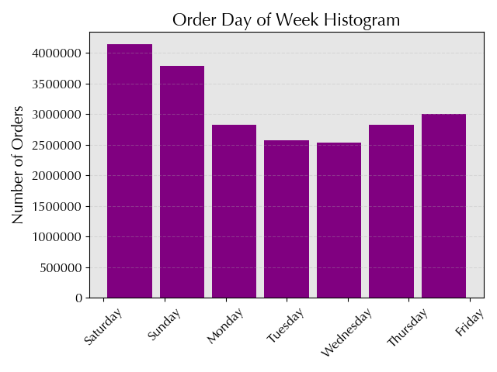

Insights:
The weekend demostrate the highest number of orders. This could be due to the increased free time or the fact that customer wants to buy items ahead for the coming days already.
Lowest number is during Wednesday. The number inceases again from Thrusday towards Friday. This implies increased shopping activity when weekend is near.

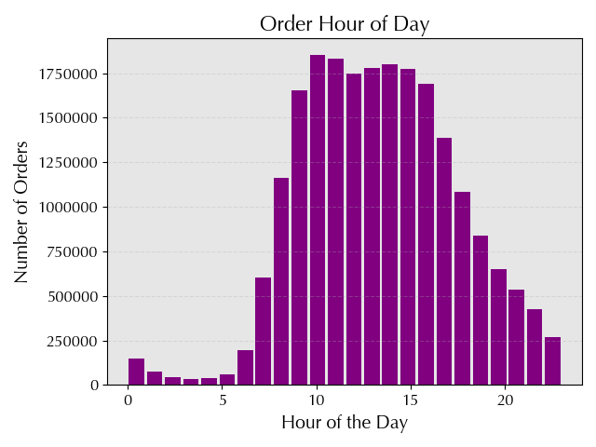

Insights:
Peak order time of the day is from 10 am until 4 pm. This implicates high demand of shopping .
After 4pm, the demand decreases.
Early mornings (e.g., 12:00 am - 6:00 am) and late nights (e.g., 9:00 pm - 11:00 pm) have lower order counts, indicating decreased activity during those periods.

2. They also want to know whether there are particular times of the day when people spend the most money, as this might inform the type of products they advertise at these times.
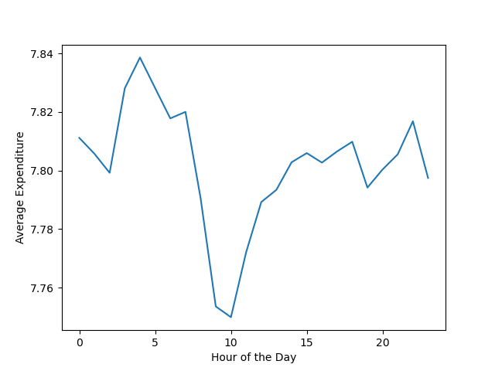

Rising prices from 1 a.m. to 5 a.m.:
* Possible factors: Increased demand, limited availability, convenience premium.
* Suppliers adjust prices based on real-time data and demand patterns.
Decreasing prices after 5 a.m. with a low point around 10 a.m.:
* Factors: Initial demand surge tapering off, increased competition, more products available.
* Sellers adjust prices downward to stimulate further sales.
Price difference between morning and evening hours:
* Driven by shifts in consumer behavior and market dynamics.
* Consumers may pay higher prices for convenience in the early morning and late night
Overall pricing trend:
* Prices increase in early morning, peak before breakfast, drop significantly before 10 a.m., gradually increase again in the afternoon and evening.

3. Instacart has a lot of products with different price tags. Marketing and sales want to use simpler price range groupings to help direct their efforts.

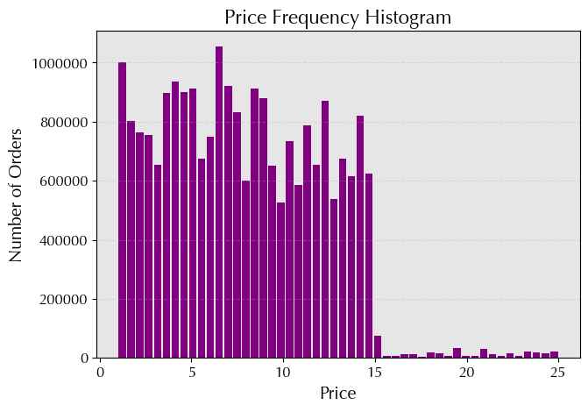

 |  |  |  |  |  |  | count 22,680,107.00
 |  |  |  |  |  |  | mean 7.79
 |  |  |  |  |  |  | std 4.24
 |  |  |  |  |  |  | min 1.00
 |  |  |  |  |  |  | 25% 4.20
 |  |  |  |  |  |  | 50% 7.40
 |  |  |  |  |  |  | 75% 11.30
 |  |  |  |  |  |  | max 25.00

Insights
Price distribution:
* Wide variety of products with different price tags.
* Relatively large standard deviation of $4.24 indicates high differences in prices
Central tendency:
* light righ-skewd distribution due to high-pice items
Price Range:
* Range from $1.00 to $25.00
To simplify efforts:
* Consider using 'Low-range products,' 'Medium-range products,' and 'Hig-range product' groupings.
* Define based on quartiles or other meaningful divisions in price distribution.

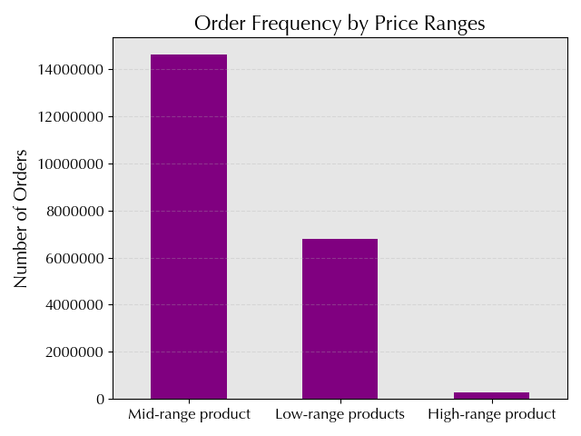

Insights
Mid-range products:
* Majority of products are mid-range products.
* Indicates mid-range is most common among Instacart's offerings.
Low-range products:
* Significant number of products categorized as low-range products
* While not as prevalent as mid-range, low-range products still make up a high portion.
High-range products:
* Smallest category with approximately
* Indicates fewer high-priced items compared to mid- and low-priced items on Instacart.
Overall distribution:
* Skewed toward mid- and low-priced products.
* Fewer high-priced items available on the platform.

4. Are there certain types of products that are more popular than others? The marketing and sales teams want to know which departments have the highest frequency of product orders.

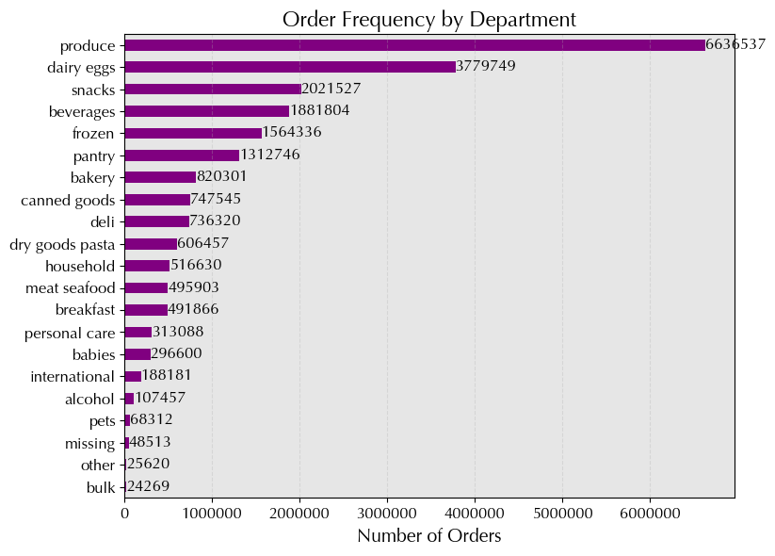

Insights
Produce' and 'Dairy Eggs' most popular
Top 5 are : Produce', 'Dairy Eggs', 'Frozen', snacks, baverages
Fresh products and deep frozen are popular
'Demand in Snacks', 'Beverages', and 'Pantry' also have high order frequencies, showing demand for convenience and everyday essentials.
'Personal Care', 'Baby', and 'Household' have relatively low order frequencies compared to food-related departments, but still show significant demand.
'Missing', 'Other', and 'Bulk' have the lowest order frequencies, indicating less popular or specialized categories.

5a. What's the distribution among users in regards to their brand loyalty (i.e., how often do they return to Instacart)?

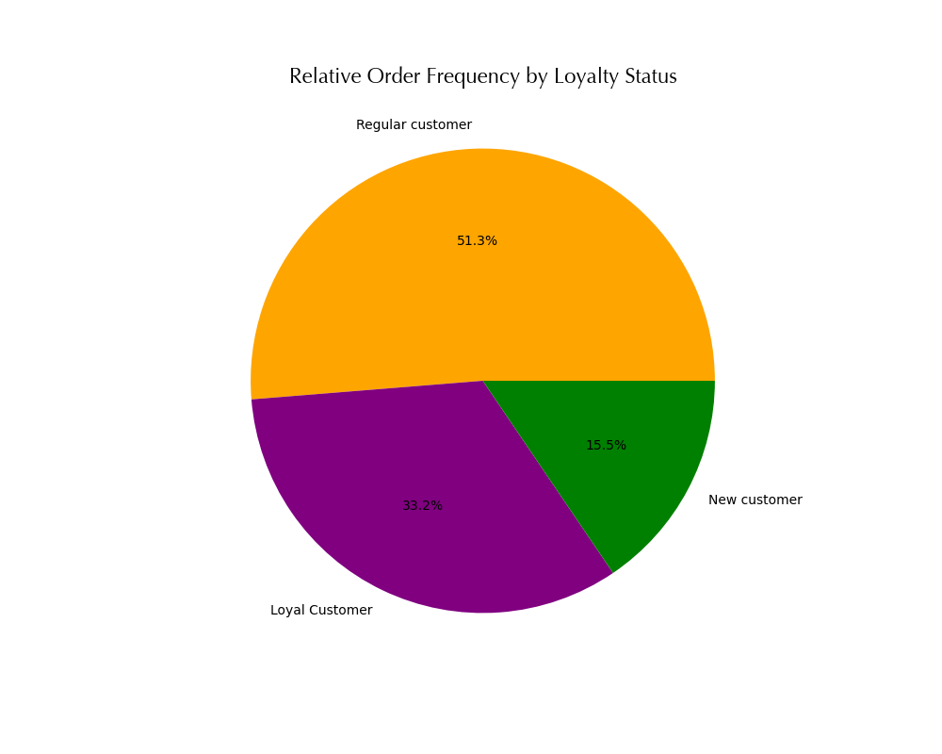

Insights
Regular customers:
Most common group, > 50%
Place between 10 and 40 orders, indicating frequent but less loyal buyers.
Loyal customers:
Second most common group, 33.2%. Placed more than 40 orders, showing high brand loyalty and likely repeat customers.
New customers:
Least common group, 15.5%
Placed ≤ 10 orders, indicating they're new to the service and may not have established loyalty yet.

5b. Are there differences in ordering habits based on a customers loyalty status?

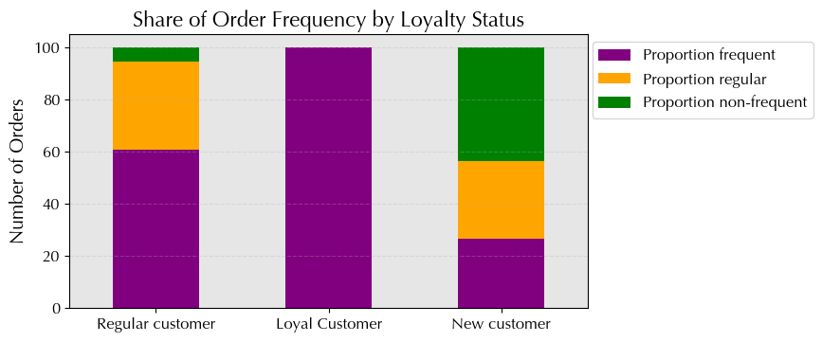
Insights
Loyal customers:
* High order frequency
* Reflects strong brand loyalty
Regular customers:
* Majority of customers
* Majority of orders are from this group
New customers:
* Lowest order frequency, primarily in non-frequent category
* Indicates lower engagement
Overall implications:
* Regular customers drive highest order frequency.
* Loyal customers demonstrate highest loyalty.
* New customers show potential for future engagement.

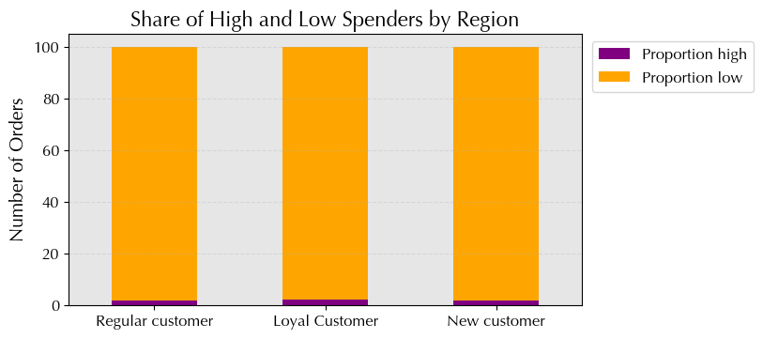
Share of High and Low Spenders by Loyalty

Insights
Regular customers represent the largest segment for both high and low spenders, with 1.9% high spenders and 98.09% low spenders.
Loyal customers exhibit the highest proportion of high spenders at 2%, signaling greater purchasing power and loyalty.
Targeted retention strategies for new customers could help convert them into high spenders, with only 1.8% currently falling into this category.
Optimizing engagement with regular customers may uplift their spending behavior, given their significant presence at 1.9% high spenders.
Understanding reasons behind low spending among regular customers, who make up 98.09% of low spenders, is crucial for targeted interventions.
Implement segment-specific marketing strategies tailored to each loyalty group's spending behavior.
Continuous monitoring and adjustment of strategies is essential for long-term success in driving spending behavior.
.

5c. Are there differences in ordering habits based on a customer’s region?

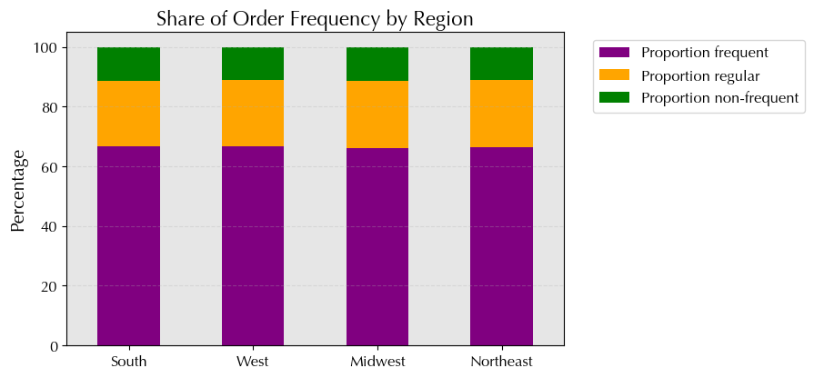
Insights
Total orders:
* South region has highest total orders, followed by West, Midwest, and Northeast.
Frequency distribution:
* Majority of customers are 'Frequent Customers' in all regions.
* Highest percentage in South and lowest in Midwest .
Non-frequent customers:
* Percentage of non-frequent customers is consistent across regions
Regular customers:
* Share of regular customers consistent across regions
Overall implications:
* Majority in all regions are frequent buyers, followed by regular customers and non-frequent customers.

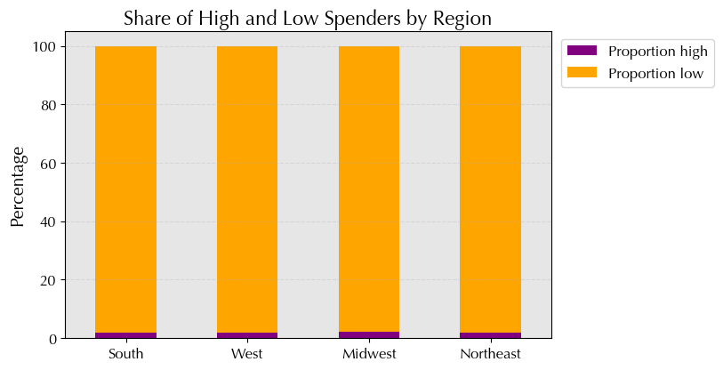

Insights
* South has highest total number of customers, Northeast lowest.
* High spender display only a small ratio of total customer
* Negligible differences in proportions of high and low spenders by region.
* Majority of customers in all regions are low spenders.
Overall implications:
* Differences in absolute numbers of high spenders; majority are low spenders across regions.

5d. Is there a connection between age and family status in terms of ordering habits?

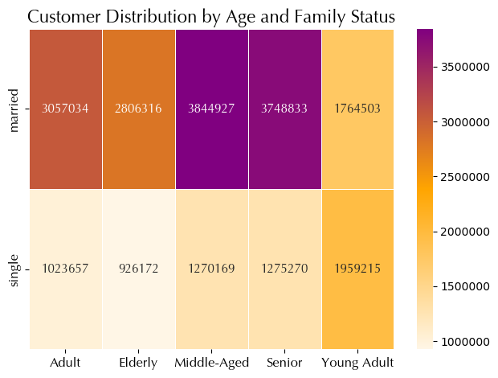
Insights
Married individuals:
Orders placed by adults, seniors, and young adults.
Highest order frequency among adults, followed by seniors and young adults.
Married adults exhibit the most active ordering habits, possibly due to household responsibilities and shared financial management.
Single individuals:
Orders attributed to adults and young adults only.
No orders from seniors in the 'single' category.
Among singles, adults display a higher order frequency compared to young adults, indicating greater engagement in ordering habits.
Overall:
Relationship observed between age and family status in ordering habits.
Order frequency varies among different age groups within each family status category.
Middle-aged and senior customers contribute the most orders, suggesting a focus on targeting efforts towards this demographic.

 | age_group | Adult | Elderly | Middle-Aged | Senior | Young Adult
 | Fam_status
 | married | 3057034 | 2806316 | 3844927 | 3748833 | 1764503
 | single | 1023657 | 926172 | 1270169 | 1275270 | 1959215

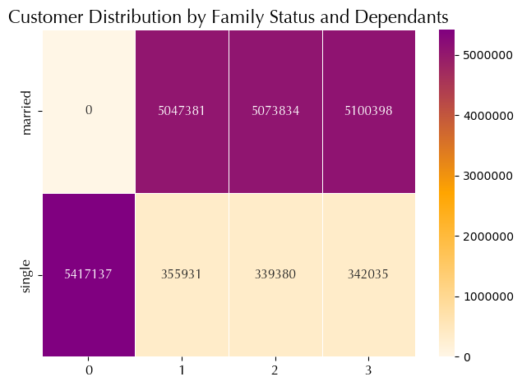
Insights
Married customers:
Majority of Married customers live with with 1 to 3 relatives and are show the highest order number in absolut number.
Singles:
The majority of singles who placed hight numbers of orders are singles without relatives, which means they will spend more money on products when living alone.
Overall implications:
Married individuals tend to have more dependants.
Most singles live alone
This implies that these 2 groups contributes to a high number of orders.

5e. What different classifications does the demographic information suggest? Age? Income? Certain types of goods? Family status?

Insight:
Single and parent profiles:
Profiles with relatives (AverageFamily, SeniorFamily) have higher frequency, indicating majority of customers have children.
Diversity of family profiles:
Among profiles with relatives, 'married' families are more common.
Profiles without dependants (ChildlessAdult, ChildlessSenior) are less common but still significant.
Relationship between age, family status, and dependants:
* Strong correlation between age, family status, and number of dependants.
 | Relatives | Age | Family Status | Demographic Profile
 | 0 | < 30 | Married | YoungCouple
 |  |  | Single | YoungSingle
 |  | 30 - 59 | Married | AdultCouple
 |  |  | Single | ChildlessAdult
 |  | 60+ | Married | SeniorCouple
 |  |  | Single | ChildlessSenior
 | 1 to 3 | < 30 | Married | YoungFamily
 |  |  | Single | YoungParent
 |  | 30 - 59 | Married | AverageFamily
 |  |  | Single | SingleParents
 |  | 60+ | Married | SenioFamily
 |  |  | Single | SingleSeniors

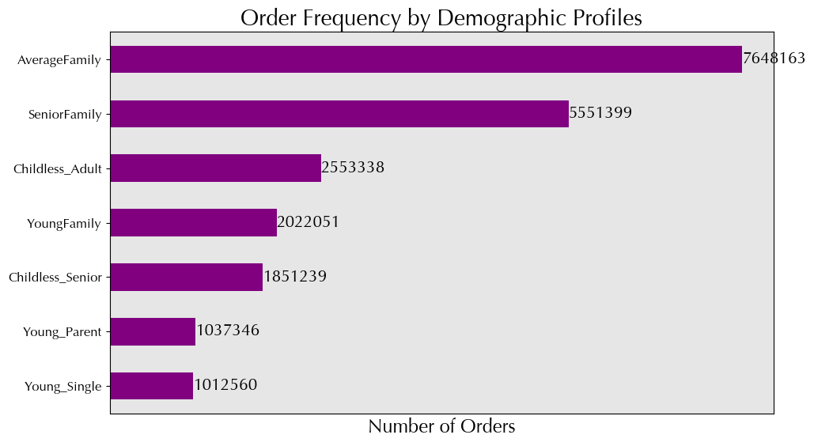

 | frequency | Frequent Customer | Non-frequent Customer | Regular-frequent Customer | Total | Proportion frequent | Proportion non-frequent | Proportion regular
 | demographic_profile
 | AverageFamily | 5227314 | 721297 | 1699552 | 7648163 | 68.35 | 9.43 | 22.22
Insights
Proportion of Frequent customers:
Highest ratio of Frequent customer in all demographich profiles.
Highest in YoungParents (69.5%).
Lowest ratio of frequent customers is among YoungSingles (67.48%).
The remaining profile have similar percentag of frequent customers ( ~68%)
Proportion of Regular Customer:
Highest ratio in YoungsSingle (23%)
Lowest ratio in YoungParent (21.09%)
Other Demographic profiles show similar percentag of 22%.
Proportion of non-frequent Customers:
Highest in YoungSingles with 9.5%
Lowest in YoungFamily with 9.11%
Remaining profiles range from 9.2 to 9.43%
Overall implications:
Frequent customers are the biggest customer group for all demographich profiles, especially customers with Family.
Single customer have higher ratio of regular customers and non-frequent customers.
 | SeniorFamily | 3804496 | 522089 | 1224814 | 5551399 | 68.53 | 9.4 | 22.06
 | Childless_Adult | 1742669 | 234781 | 575888 | 2553338 | 68.25 | 9.2 | 22.55
 | YoungFamily | 1390168 | 184155 | 447728 | 2022051 | 68.75 | 9.11 | 22.14
 | Childless_Senior | 1273579 | 170611 | 407049 | 1851239 | 68.8 | 9.22 | 21.99
 | Young_Parent | 721262 | 97290 | 218794 | 1037346 | 69.53 | 9.38 | 21.09
 | Young_Single | 683283 | 96160 | 233117 | 1012560 | 67.48 | 9.5 | 23.02
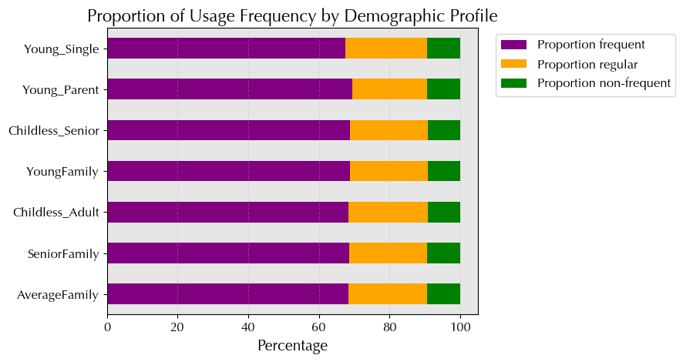

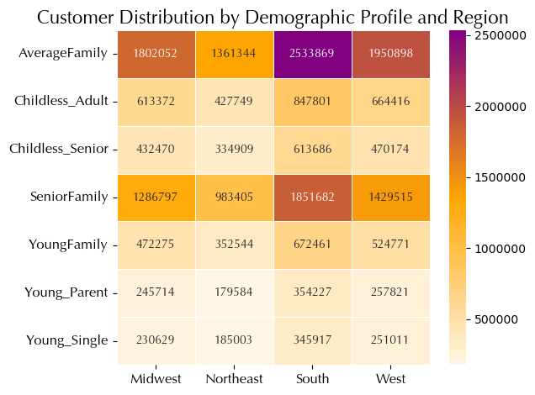
Insights
Family profiles (AverageFamily, SeniorFamily, YoungFamily):
South region has highest representation, followed by Midwest and West.
Northeast region has lowest frequency in these family profiles.
Single profiles (ChildlessAdult, ChildlessSenior, YoungSingle):
Consistent distribution across regions, slightly higher in South and Midwest.
Northeast has lowest frequency in single profiles.
Parent profiles (YoungParent):
Distribution mirrors family profiles, with South having highest representation.
Northeast has fewest customers in this profile.
Overall implications:
South region tends to have higher frequencies in various demographic profiles.
Northeast region typically has lower frequencies in most profiles.

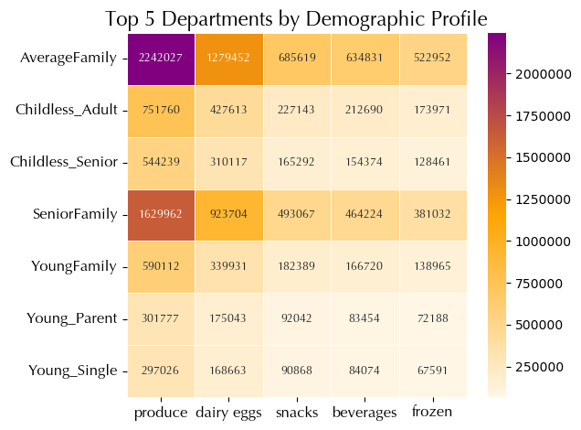
Insights
All demographich profiles show high accumulatioin within the produce departments.
The AverageFamily dominates in numbers within the Produce department , followed by SenioFamily.
YoungSinles are the least represented within produce department.
The dairy eggs department also shows a high number of customer distribution. Again highest in Average Family and lowest in dairy eggs.
Overall:
AverageFamily and SenioFamily have the highest costumer distribution within the top 5 departments.
YoungSingles have the lowest distribution within the top 5 departments

Income

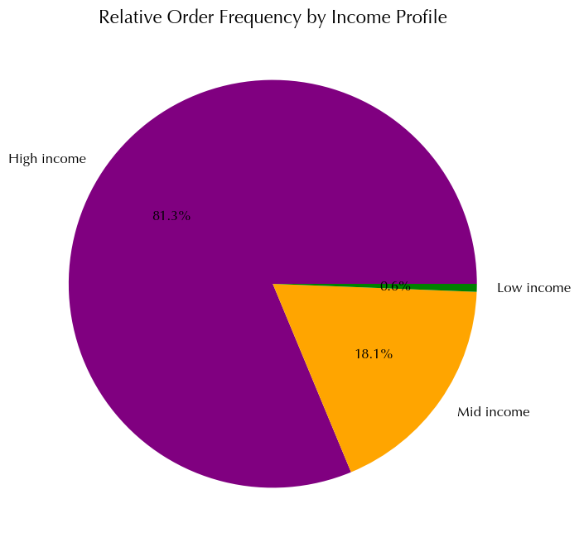

Insights
HighIncome:
81.3% of orders are placed by High income customers
Suggest that they contribute to the majority of orders in instacart.
MiddleIncome:
18.1% of orders are placed by Mid income customers
Fewer orders than High income customers
LowIncome:
0.6 % of orders are place by Low income customers.
Overall:
With increased income, the frequency of orders also increases.
High income cusomter are the majority of our customer.

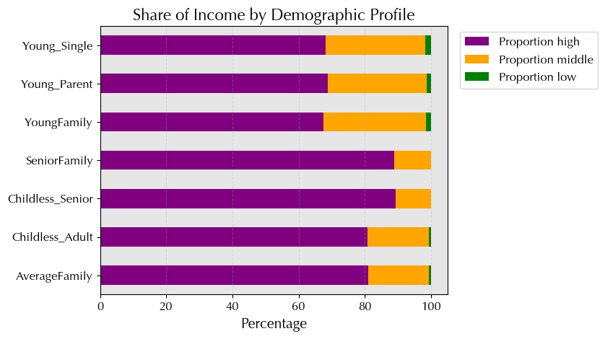

Insights
All demographic profile:
Predominantly covered by High income customer
YoungSingle, YoungParent, YoungFamily:
Lower ratio of High income in comparison to other profiles.
possibly due to younger age and lower earning potential
SeniorFamily, ChildlessSenior:
Highest ratio of High income of all
Seniors earn more due to higher earning potential
Overall implications:
* Insights into income distribution across demographic profiles.
* Understanding financial status and circumstances of different age and family groups.

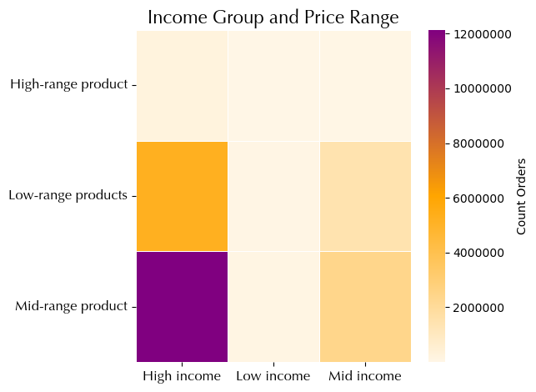

Insights
High income:
Most orders fall within Mid-range products, up to 120000000 items in total.
But also place oders within Low-range products
Very few order within high-range products
Mid income:
Same pattern as High income customers
Less quantity of orders
Low income:
Same pattern as High income and Mid income customers
Significantly less quantity of all products range
Overall:
All 3 income group prfer to place order in Mid-range products but also on High range products.
However, Low income customers dont have as much order as other income groups.

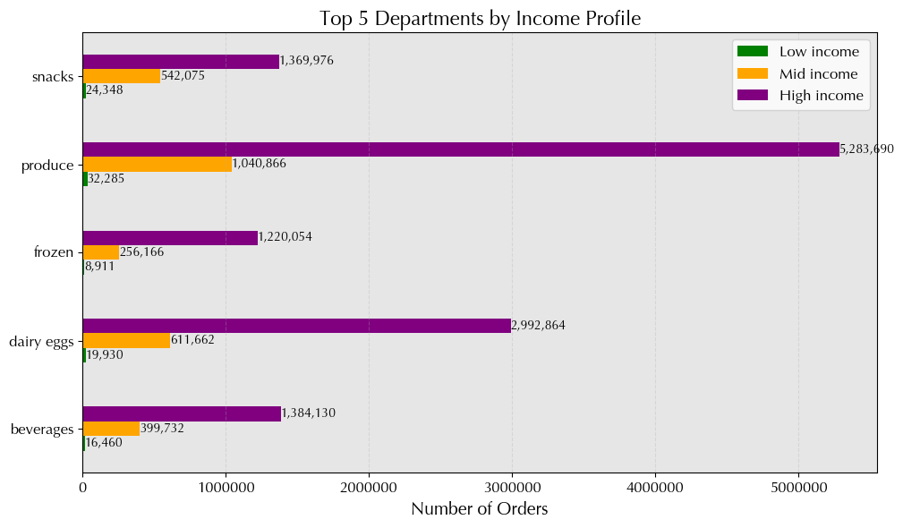

Insights
Top departments—beverages, dairy eggs, frozen, produce, and snacks—are consistent across all income profiles.
These categories are frequently ordered regardless of income level.

Time

 | Day of the week | Time of the day | Time Profile
 | Saturday , Sunday | 6 - 12 | Weekend_Morning
 |  | 13 - 20 | Weekend_Afternoon
 |  | 21 - 5 | Weekend_LateNight
 | Monday - Friday | 6 - 12 | Weekday_Morning
 |  | 13 - 20 | Weekday_Afternoon
 |  | 21 - 5 | Weekday_LateNight

Insights
Peak ordering hours:
Peak ordering hours between 9 am and 10am, with gradual increase starting at 6am and peaking at 9am.
Many customers prefer to place orders during morning hours.
Variations by profile:
Variations in ordering patterns among different profiles.
Some profiles show higher order volumes during morning hours compared to others.
AverageFamily and SeniorFamily, highest order volum of all
Late-night ordering:
Overall order volume decreases during late night hours, but still noticeable, especially for 'YoungParent' and 'YoungSingle' profiles.
Ordering behavior throughout day:
Distribution of orders fluctuates throughout day among profiles.
Some profiles show consistent order volumes throughout day, while others have pronounced peaks and valleys.
order volume stays relative consistent from 10am to 4pm
Overall implications:
Differences in ordering habits across demographic profiles.
Insight into timing of peak order volumes throughout day.
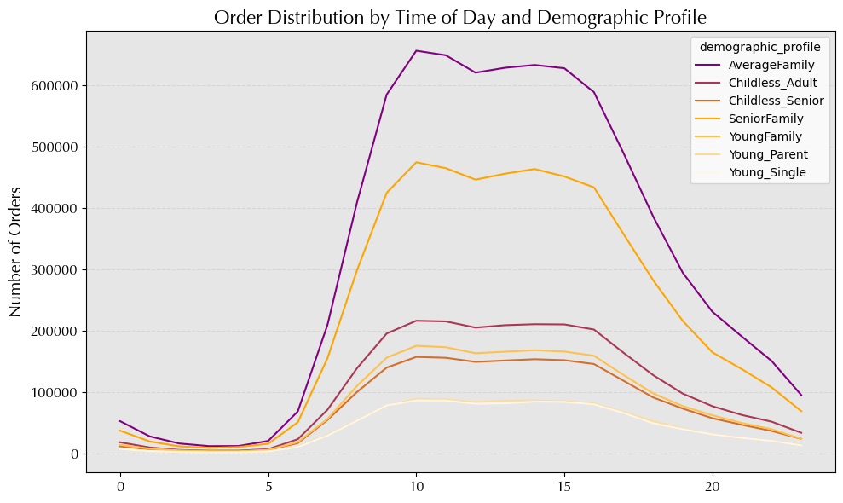

Insights
Weekday afternoon shoppers:
Highest order frequency, indicating popularity of weekday afternoons for shopping.
Weekday morning shoppers:
Significant order frequency, suggesting busy weekday mornings for shopping.
Weekend afternoon shoppers:
Significant order frequency, indicating popularity of weekend afternoons for shopping.
Weekend morning shoppers:
Similar to weekday mornings, significant order frequency, suggesting mornings are preferred time to shop.
Weekday/Weekend late night shoppers:
Lower order frequency compared to other times, indicating less popularity for late night shopping.
Overall implications:
Clear trends in order frequency across different time profiles.
Weekday afternoons and mornings busiest times for shopping, followed by weekends.
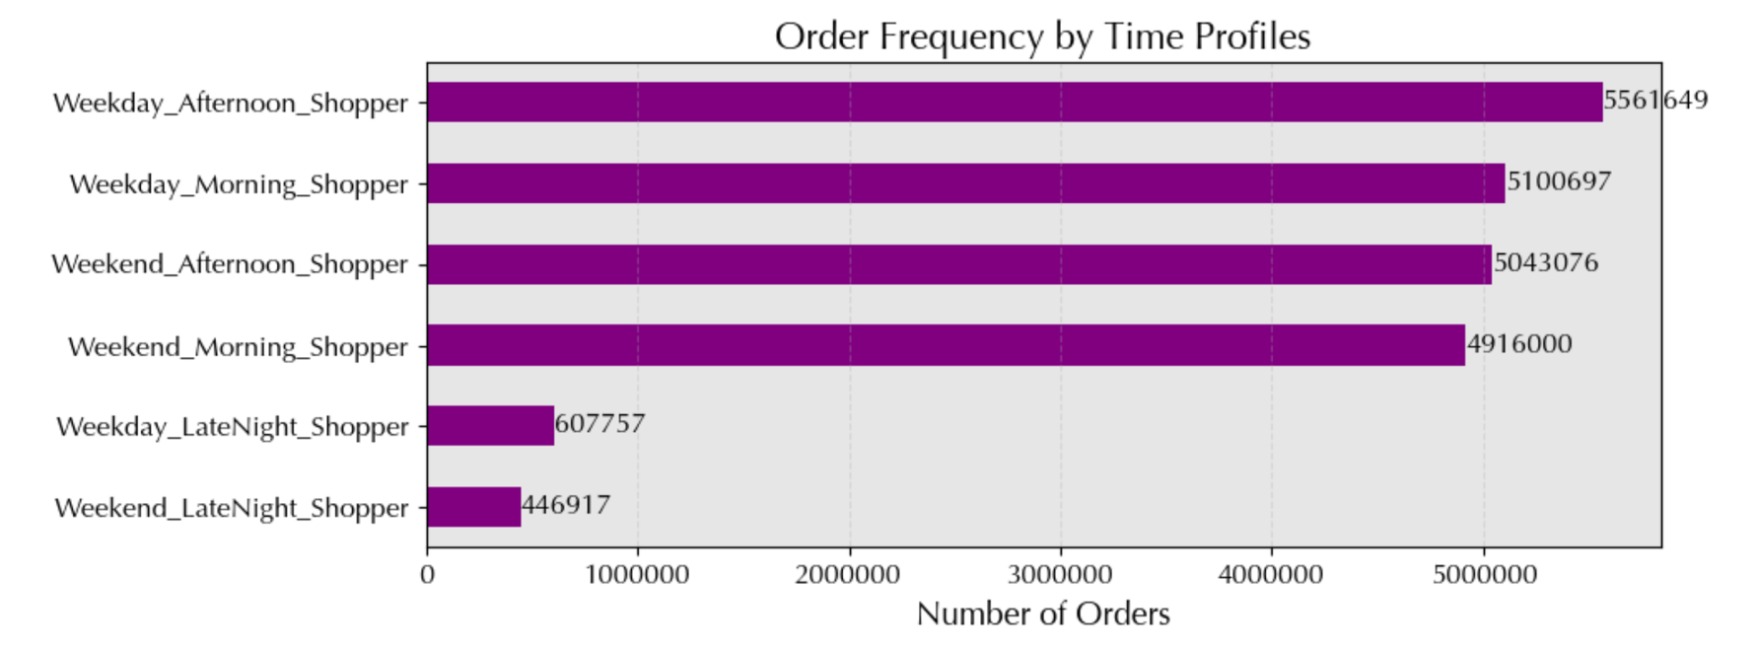

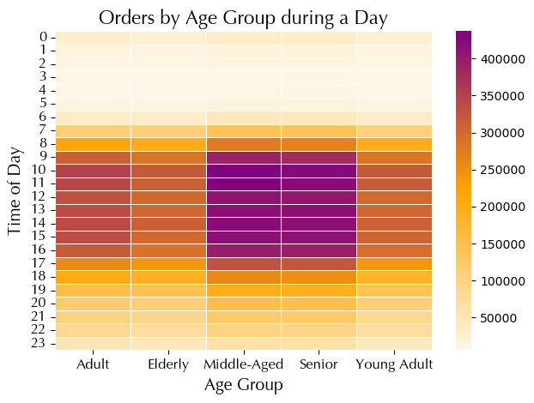

Insights
Highes order Frequenvy for all age group between 9 am and 4pm.
Middle-Aged and Senior placed the most orders during this hours, followed by adults.
Elderly and Young Adult have similar order frequency.
The least busiest hours are from 12 am to 6am, with less than 50000 orders.
Overall:
All age group prefer to place oder betwwen 9am and 4pm.
Main customer are Middle-aged and Seniors.
Late night still have more orders in comparison to early mornngs.

5f. What differences can you find in ordering habits of different customer profiles? Consider the price of orders, the frequency of orders, the products customers are ordering, and anything else you can think of.
Insights
All profiles exhibit an average usage frequency of 10 days.
ChildlessSeniors' customers shop less frequently, around 10.75 days on average.
High income customers shop less often, about 10.76 days on average.
Weekend morning shopper and Weekday morning shopper tend to shop less frequently, averaging around 10.18 to 10.51 days

Descriptive statistics Demography and Usage Frecuency
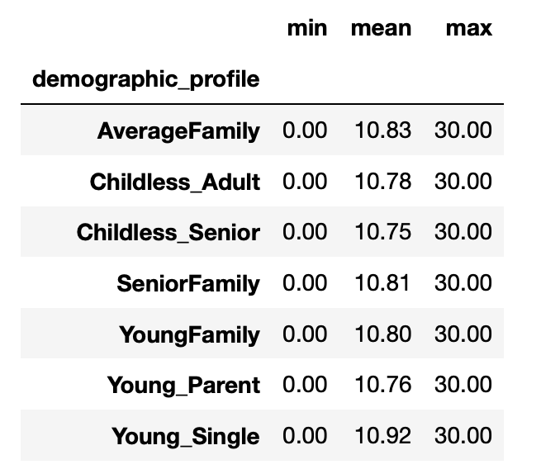

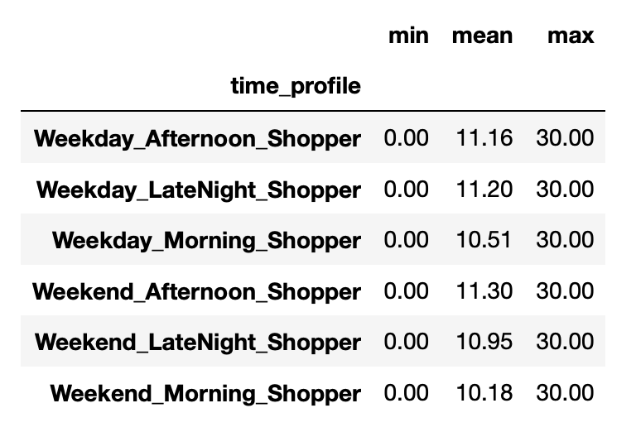
 |  |  |  | Descriptive statistics: income_level and frequency |  |  |  |  | Descriptive statistics Time usage
 |  |  |  |  | min | mean | max
 |  |  |  | income_level
 |  |  |  | High income | 0 | 10.76 | 30
 |  |  |  | Low income | 0 | 11.62 | 30
 |  |  |  | Mid income | 0 | 11.03 | 30

 |  |  |  | income_level and prices
 |  |  |  |  | min | mean | max
 |  |  |  | income_level
 |  |  |  | High income | 1 | 7.95 | 25
 |  |  |  | Low income | 1 | 6.53 | 25
 |  |  |  | Mid income | 1 | 7.1 | 25 |  | Descriptive statistics Time and Price
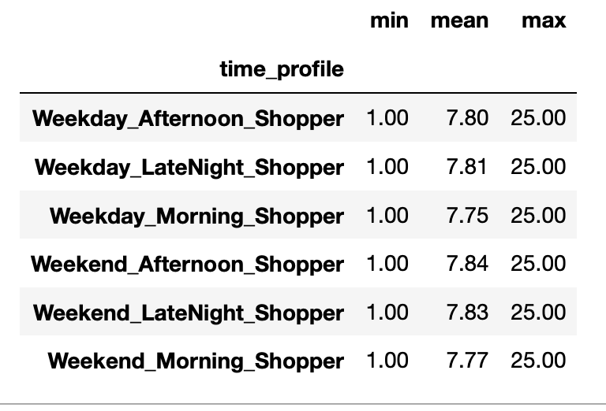

Descriptive statistics Demography and Price
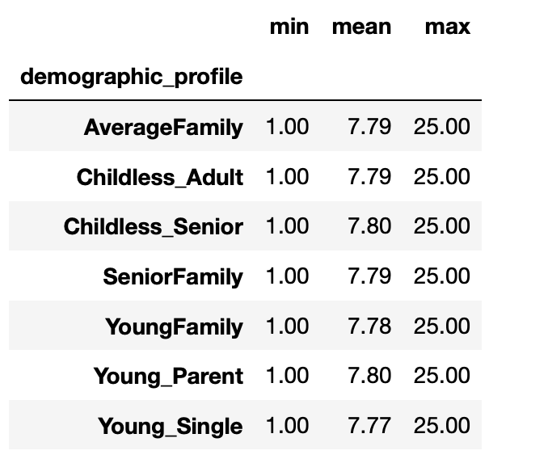

Insights
Average prices range from $7.77 to $7.80 across income levels.
Late night shoppers and Afternoon shoppers, both weekday and weekend, tend to have slightly higher average prices.
Morning shoppers have the lowest mean price

Departments

Insights
Among all demographic profiles....
Produce' consistently tops department preferences across all profiles.
'Dairy eggs' and 'Snacks' maintain high orders, while 'Beverages' and 'Frozen' are slightly less popular.

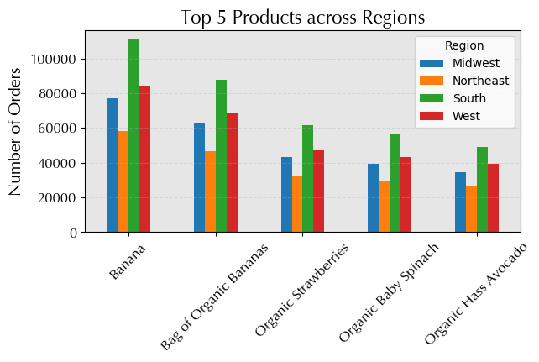
Insights
Among all regions....
The South is the biggest consumer of the top 5 products
Northeast is the smalles consumer of top 5 products
Apart from Banana, the rest of the top products are all 'organic fruits/vegetables
Overall:
Customer prefer to buy fruits and vegetables, especiall of organic origin

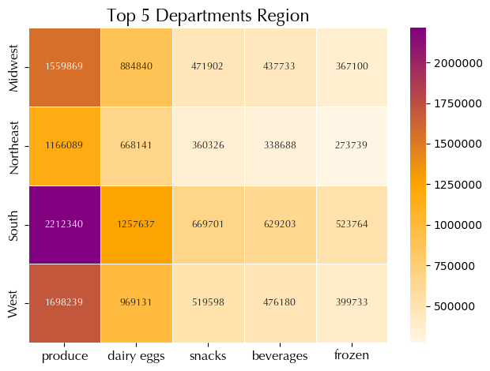

Insights
Among all regions....
Produce is the most popular for all 4 regions
The south is the biggest consumer of produce items
Northeast the lowest consumer of produce items
Dairy is the second most popular departments for all regions
Frozen is on the last position
Overall:
The south is the biggest consumer of all top 5 departmetns
The Northeast is the weakes consumer of all top 5 departments

Expenditure

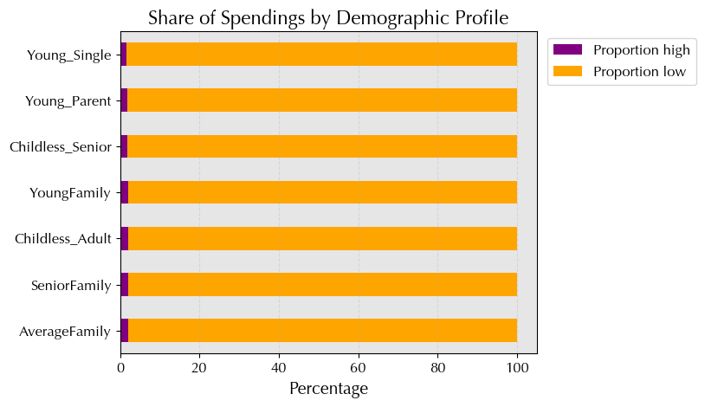

Insights
Majority of customers across all profiles tend to be low spenders, ~98%.
Proportion of high spenders is consistently low, ranging from 1.6% to 1.99% across profiles.

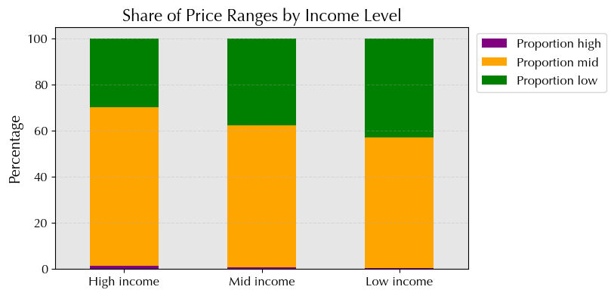

Insights
High-income customers prefer to order mid-range products, indicating a preference for quality without excessive cost.
Middle-income customers prioritize mid-range products for a balance between quality and affordability.
Low-income customers also focus on mid-range products to maintain quality without stretching their budget.
Overall:
Mid-range products are the prefered product, due to the balance between quality and affordability

7. Recommendations
 |  |  | Title page

Recommendations

In this tab you should include any recommendations you would made to Instcart in terms of their marketing strategy based on the questions posed in the brief. Every key question has been covered in the Tasks of the Exercises - here you need to add an item - a visualisation or table/crosstable that is showing the answer in the data, acompanied by a comment from you. Please, list the questions below and add the answer underneath.

Question | Answer | Recommendations
The sales team needs to know what the busiest days of the week and hours of the day are (i.e., the days and times with the most orders) in order to schedule ads at times when there are fewer orders. | Busiest days are Saturday and Sundays. Busiest hours are between 10 am to 4 pm | Targeted marketing: Focus on weekends, especially Sunday and Saturday. Ad scheduling: Schedule ads during peak order times, 10 a.m. to 4 p.m. Weekday promotions: Offer deals on slower weekdays like Fridays and Thursdays. Customer engagement: Engage customers with personalized recommendations during off-peak times.
They also want to know whether there are particular times of the day when people spend the most money, as this might inform the type of products they advertise at these times. | Rising prices from 1 a.m. to 5 a.m.: Possible factors: Increased demand, limited availability, convenience premium. Suppliers adjust prices based on real-time data and demand patterns. Decreasing prices after 5 a.m. with a low point around 10 a.m.: Factors: Initial demand surge tapering off, increased competition, more products available. Sellers adjust prices downward to stimulate further sales. Price difference between morning and evening hours: Driven by shifts in consumer behavior and market dynamics. Consumers may pay higher prices for convenience in the early morning and late night Overall pricing trend: Prices increase in early morning, peak before breakfast, drop significantly before 10 a.m., gradually increase again in the afternoon and evening. | Early morning promotions: Offer discounts from 1 a.m. to 5 a.m. Mid-morning deals: Launch flash sales at 10 a.m. Price-based recommendations: Customize suggestions based on price sensitivity. Dynamic pricing: Implement real-time price adjustments. Data-driven insights: Analyze shopping behavior for timing strategies.
Instacart has a lot of products with different price tags. Marketing and sales want to use simpler price range groupings to help direct their efforts. | Wide variety of products with different price tags. Relatively large standard deviation of $4.24 indicates high differences in prices Central tendency: light righ-skewd distribution due to high-pice items Price Range: Range from $1.00 to $25.00 | Consider using 'Low-range products,' 'Medium-range products,' and 'Hig-range product' groupings. Define based on quartiles or other meaningful divisions in price distribution.
Are there certain types of products that are more popular than others? The marketing and sales teams want to know which departments have the highest frequency of product orders. | Produce' and 'Dairy Eggs' most popular Top 5 are : Produce', 'Dairy Eggs', 'Frozen', snacks, baverages Fresh products and deep frozen are popular 'Demand in Snacks', 'Beverages', and 'Pantry' also have high order frequencies, showing demand for convenience and everyday essentials. 'Personal Care', 'Baby', and 'Household' have relatively low order frequencies compared to food-related departments, but still show significant demand. 'Missing', 'Other', and 'Bulk' have the lowest order frequencies, indicating less popular or specialized categories. | Focus on popular departments: Allocate marketing resources to high-order frequency departments like produce and dairy. Highlight perishable items: Emphasize 'Produce', 'Dairy Eggs', and 'Frozen' for fresh and refrigerated products. Promote: Highlight 'Snacks', 'Beverages', and 'Pantry' for everyday essentials. Target small departments: Market 'Personal Care', 'Baby', and 'Household' with specialized campaigns despite lower order frequencies.
The marketing and sales teams are particularly interested in the different types of customers in their system and how their ordering behaviors differ. For example: | Regular customers: Most common group, > 50% Place between 10 and 40 orders, indicating frequent but less loyal buyers. Loyal customers: Second most common group, 33.2%. Placed more than 40 orders, showing high brand loyalty and likely repeat customers. New customers: Least common group, 15.5% Placed ≤ 10 orders, indicating they're new to the service and may not have established loyalty yet. | Target regular customers: provide them with rewards for being loyal to instacart. Loyal customer should be rewarded with free gifts once in a while but also with premium services and special promotion. New Customers shall receive special offers making ordering from instacart more attractive.
○ What’s the distribution among users in regards to their brand loyalty (i.e., how often do they return to Instacart)?
Are there differences in ordering habits based on a customer’s loyalty status? | Loyal customers: High order frequency Reflects strong brand loyalty Regular customers: Majority of customers Majority of orders are from this group New customers: Lowest order frequency, primarily in non-frequent category Indicates lower engagement Overall implications: Regular customers drive highest order frequency. Loyal customers demonstrate highest loyalty. New customers show potential for future engagement. | Targeted Marketing: Loyal Customers: Exclusive rewards, early access. Regular Customers: Personalized discounts. New Customers: Onboarding incentives, educational content. Retention Strategies: Loyal Customers: VIP treatment, personalized support. Regular Customers: Retention campaigns, incentives. New Customers: Exceptional service, trust-building. Product Recommendations: Loyal Customers: Premium items, personalized recommendations. Regular Customers: Value products, bundle offers. New Customers: Popular essentials, starter kits. Spending Insights: High Spenders: Customized promotions, exclusive benefits. Low Spenders: Increase average order value strategiesTargeted Marketing: Loyal Customers: Exclusive rewards, early access. Regular Customers: Personalized discounts. New Customers: Onboarding incentives, educational content. Retention Strategies: Loyal Customers: VIP treatment, personalized support. Regular Customers: Retention campaigns, incentives. New Customers: Exceptional service, trust-building. Product Recommendations: Loyal Customers: Premium items, personalized recommendations. Regular Customers: Value products, bundle offers. New Customers: Popular essentials, starter kits. Spending Insights: High Spenders: Customized promotions, exclusive benefits. Low Spenders: Increase average order value strategies.
Are there differences in ordering habits based on a customer’s region? | Total Orders: South > West > Midwest > Northeast Frequency Distribution: Majority 'Frequent Customers' in all regions Highest in South, lowest in Midwest Non-Frequent Customers: Consistent percentage across regions Regular Customers: Consistent share across regions Overall Implications: Majority are frequent buyers, followed by regular and non-frequent customers South has highest total customers, Northeast lowest High spenders make up a small ratio Proportions of high and low spenders are similar across regions Majority of customers in all regions are low spenders | Targeted Marketing: Focus on converting non-frequent customers to regular or loyal ones. Customize marketing campaigns based on regional customer behavior. Product Strategy: Tailor product recommendations for each customer segment and region. Offer bundle deals to boost average order value. Retention Tactics: Implement retention initiatives for high spenders and regular customers. Provide exceptional service to new customers to foster trust. Regional Focus: Expand market presence in high-order regions like the South. Explore growth opportunities in other regions using customer insights. Data Utilization: Use ongoing data analysis to inform decision-making and predict customer behavior.
Is there a connection between age and family status in terms of ordering habits? | Married Individuals: Highest order frequency among married adults. Majority live with 1 to 3 relatives, contributing to high order numbers. Single Individuals: Adults show higher order frequency compared to young adults. Singles without relatives spend more when living alone. Overall Insights: Middle-aged and senior customers contribute most orders. Married individuals tend to have more dependents, while most singles live alone, both contributing to high order numbers. | Targeted Marketing: Tailor campaigns for married individuals with family-oriented products. Focus on convenience and solo-living products for singles. Product Recommendations: Offer family-sized bundles for married customers; single-serve options for singles. Highlight products matching each group's needs and preferences. Retention Strategies: Provide loyalty programs for married customers; personalized promotions for singles. Enhance shopping experience with streamlined processes and tailored recommendations. Market Expansion: Explore niche markets within each segment. Adapt strategies to emerging trends for growth opportunities.
What different classifications does the demographic information suggest? | Single and parent profiles: Profiles with relatives (AverageFamily, SeniorFamily) have higher frequency, indicating majority of customers have children. Diversity of family profiles: Among profiles with relatives, 'married' families are more common. Profiles without dependants (ChildlessAdult, ChildlessSenior) are less common but still significant. Relationship between age, family status, and dependants: Strong correlation between age, family status, and number of dependants. | Targeted marketing: Family profiles: Focus on regions with high family profiles. Single profiles: Tailor promotions to areas with more singles. Parent profiles: Highlight family-oriented offers in regions with young parents. Product assortment: Family-friendly products: Offer variety and discounts where families are prevalent. Single-serve options: Offer convenient choices in regions with more singles. Customer engagement: Personalized recommendations: Customize suggestions based on demographics. Localized campaigns: Tailor marketing based on regional demographic trends.
Age? | Relationship observed between age and family status in ordering habits. Order frequency varies among different age groups within each family status category. Middle-aged and senior customers contribute the most orders, suggesting a focus on targeting efforts towards this demographic. | Targeted Marketing: Focus on middle-aged and senior customers who contribute the most orders. Tailor campaigns for married individuals emphasizing convenience and family-oriented products. Product Development: Expand offerings for middle-aged and senior demographics. Introduce convenience-focused products for married individuals. Customer Engagement: Personalize marketing for different age groups within each family status. Customize promotions based on age and family status. Market Expansion: Target regions with high concentrations of married individuals. Develop localized campaigns to capture specific demographics effectively.
Income? | High-income customers dominate Instacart, contributing to the majority of orders across all demographic profiles. Order frequency correlates with income level, with high-income individuals placing the most orders. There's a common preference for Mid-range products among all income groups, with beverages, dairy eggs, frozen, produce, and snacks being top departments. Younger demographic profiles have a lower ratio of high-income customers, while profiles like SeniorFamily and ChildlessSenior exhibit the highest ratio of high-income customers. Low-income customers place significantly fewer orders overall, indicating limitations in purchasing power. | Target marketing by income: Middle income: Focus on increasing order frequency. Low income: Incentivize purchases with targeted promotions. High-income: Offer premium products or personalized services. Product assortment: Middle income: Offer diverse options with a focus on quality. Low income: Provide budget-friendly options and discounts on staples. High income: Feature premium, luxury items emphasizing exclusivity. Customer engagement: Tailored promotions: Customize marketing based on income levels. Personalized recommendations: Use data for tailored offers.
Family status? | All demographich profiles show high accumulatioin within the produce departments. The AverageFamily dominates in numbers within the Produce department , followed by SenioFamily. YoungSinles are the least represented within produce department. The dairy eggs department also shows a high number of customer distribution. Again highest in Average Family and lowest in dairy eggs. Overall: AverageFamily and SenioFamily have the highest costumer distribution within the top 5 departments. YoungSingles have the lowest distribution within the top 5 departments | Product Focus: Prioritize the produce and dairy eggs departments, which have high customer distribution across all profiles. Tailor offerings to suit the preferences of the AverageFamily and SeniorFamily segments, who dominate these departments. Engagement Tactics: Implement personalized promotions to boost engagement and purchases in these departments, especially targeting the AverageFamily and SeniorFamily segments. Develop strategies to increase representation and engagement of YoungSingles through targeted campaigns. Market Expansion: Collaborate with suppliers to enhance product variety and quality. Explore opportunities to expand market reach within these departments by identifying emerging trends. Affordability and Accessibility: Ensure affordability and accessibility of products. Offer promotions and discounts to drive engagement and cater to varying budgets.
Certain Goods? | Among all regions.... The South is the biggest consumer of the top 5 products Northeast is the smalles consumer of top 5 products Apart from Banana, the rest of the top products are all 'organic fruits/vegetables Overall: Customer prefer to buy fruits and vegetables, especiall of organic origin | Regional Targeting: Focus marketing efforts on promoting the top 5 products in the South, which emerges as the biggest consumer. Implement strategies to increase product uptake in the Northeast, the smallest consumer of these items. Product Assortment: Prioritize organic fruits and vegetables in product offerings, as they constitute the majority of the top 5 products. Consider expanding the organic produce selection to meet customer preferences. Customer Education: Educate customers about the benefits of organic fruits and vegetables to further drive sales in this category. Highlight the nutritional value and environmental sustainability of organic produce to appeal to health-conscious consumers. Market Analysis: Conduct market analysis to identify regional preferences and trends in product consumption. Adapt marketing strategies and product offerings accordingly to capitalize on regional differences in consumer behavior.
What differences can you find in ordering habits of different customer profiles? Consider the price of orders, the frequency of orders, the products customers are ordering, and anything else you can think of.
Department | Produce is the most popular for all 4 regions The south is the biggest consumer of produce items Northeast the lowest consumer of produce items Dairy is the second most popular departments for all regions Frozen is on the last position | Focus on popular departments like 'Produce', 'Dairy eggs', and 'Snacks'. Segment-specific offers: Customize promotions based on department preferences within demographics. Consistent focus: Emphasize top categories across all income profiles. Value proposition: Highlight product quality and value. Personalized recommendations: Provide customized suggestions within popular categories.
Time | Shopping Time Trends: Weekday afternoons have the highest order frequency, followed by weekday mornings, weekend afternoons, and weekend mornings. Late nights, both on weekdays and weekends, exhibit lower order frequency. Implications: Clear trends indicate that weekday afternoons and mornings are the busiest times for shopping, followed by weekends. | Targeted marketing by shopping time: Weekday afternoons and mornings: Focus on targeted promotions during these busy times. Weekend shoppers: Implement weekend marketing efforts, especially in the afternoon. Late night shoppers: Offer special promotions to boost late night sales. Product recommendations and assortment: Weekday convenience: Highlight convenient products in the morning and afternoon. Weekend indulgence: Offer indulgent products on weekend afternoons. Late night essentials: Promote late-night essentials and snacks. Engagement Strategies: Personalized offers: Customize promotions based on preferred shopping times. Convenience messaging: Emphasize shopping convenience in marketing communications.
Usage frequency and expenditure |  | Segmented promotions: Customize discounts for low-frequency users to boost purchases. Time-specific offers: introduce promotions during off-peak hours to encourage spending. Personalized bundles: Create tailored product bundles to increase order value. Income-based pricing: Tailor pricing to different income levels, offering discounts and highlighting premium products. Loyalty programs: Implement programs targeting infrequent shoppers to drive repeat orders. Specialty product campaigns: Create targeted marketing for specialty profiles to address unique preferences.

